Project Organization chart
ElasticSearch project
stakeholder

CS2
CS

Project Engineer
Project Manager
Project Sponsor
Project Engineer - Contact point
Project Manager
Project Sponcor

- xxxx
- Wirat - TH
- Clifton - SG
- xxxx
- xx
- XXXX
-
- XXX
- Name - TH
- Name - TH
- Name - TH

 |  | k

No | Name |  | Project Role | Email: | Mobile: | Remark
1
2
3
4
5
6
7
8
9
10
11
12
13
14

CS Payment term
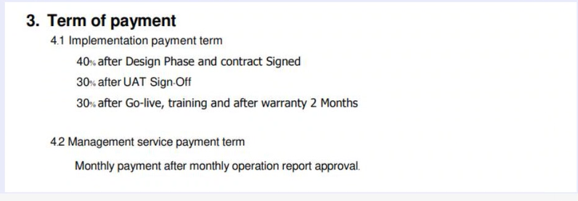

The possible payment when we track on project time line and plan :
- 40% after design phase and contract signed :

- 30% after UAT Sign Off :

- 30% after Go-Live, training and after warranty 2 months :

